Images
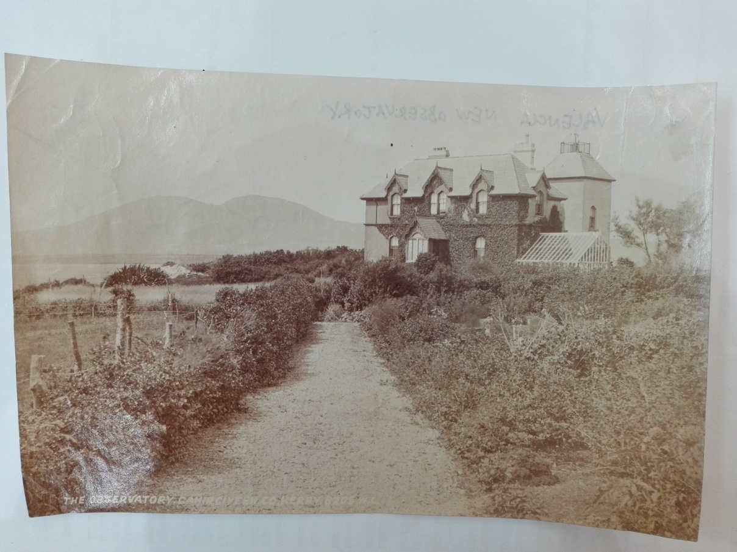

Figure 1: Surroundings of Valentia Observatory, Westwood House (new Observatory).
Source: National Meteorological Archive, Met Office.

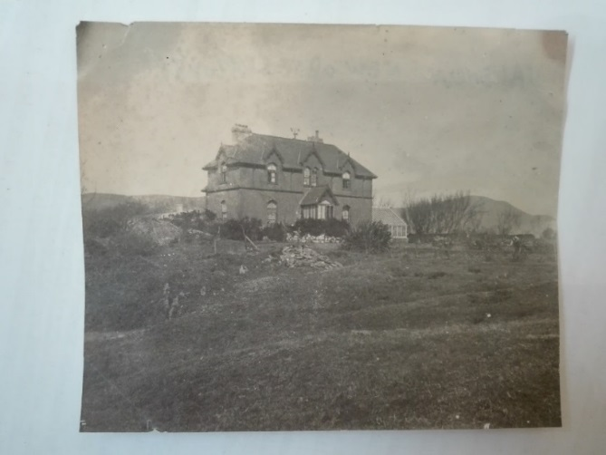

Figure 2: Valentia Observatory, Westwood House.
Source: National Meteorological Archive, Met Office.

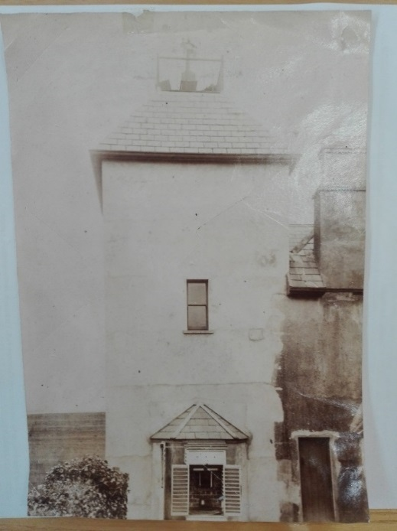

Figure 3: Walled thermometer screen at Valentia Observatory, Westwood House, in Caherciveen.
Source: National Meteorological Archive, Met Office.

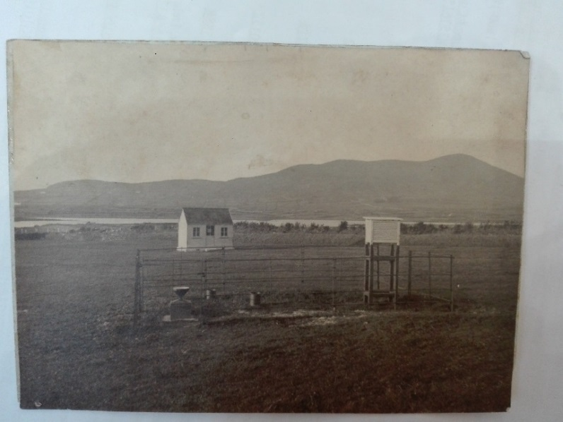

Figure 4: Stevenson thermometer screen at Valentia Observatory at the back of the Westwood House.
Source: National Meteorological Archive, Met Office.

Additional photographs:
i. Photographs of the Revenue House at Valentia Island where the observations where firstly conducted have been published by Cullum (1896) and by O’Sullivan (1992). The building was demolished in 1939 (Kerry Library, 2019, personal communication).
i. A photograph of the station enclosure at Valentia Observatory has been published by McWilliams (1956).

